Flutter SDK
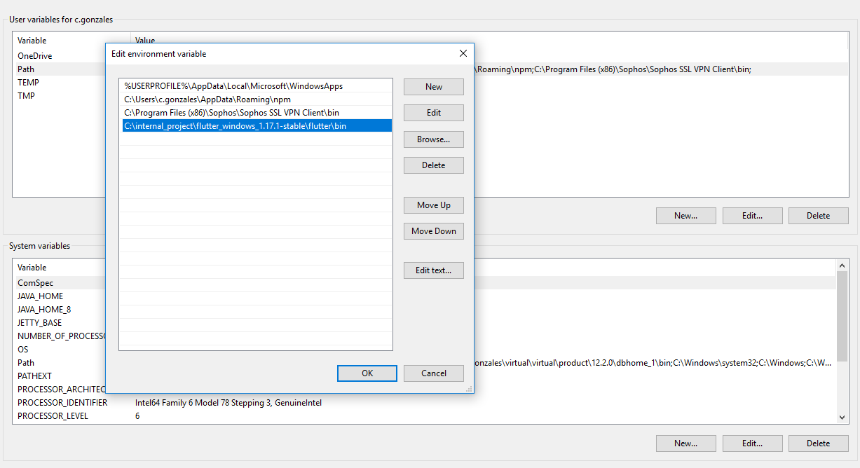
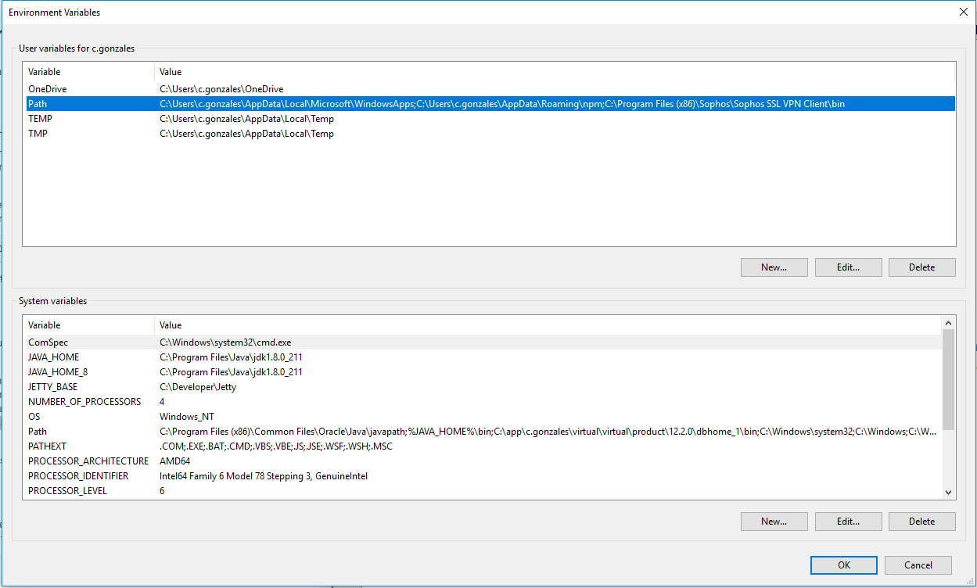
https://flutter.dev/docs/get-started/install/windows

Get the Flutter SDK

1 | Download the following installation bundle to get the latest stable release of the Flutter SDK:
 | https://flutter.dev/docs/get-started/install/windows#get-the-flutter-sdk

2 | Extract the zip file and place the contained flutter in the desired installation location for the Flutter SDK
 | (for example, C:\src\flutter; do not install Flutter in a directory like C:\Program Files\ that requires elevated privileges).
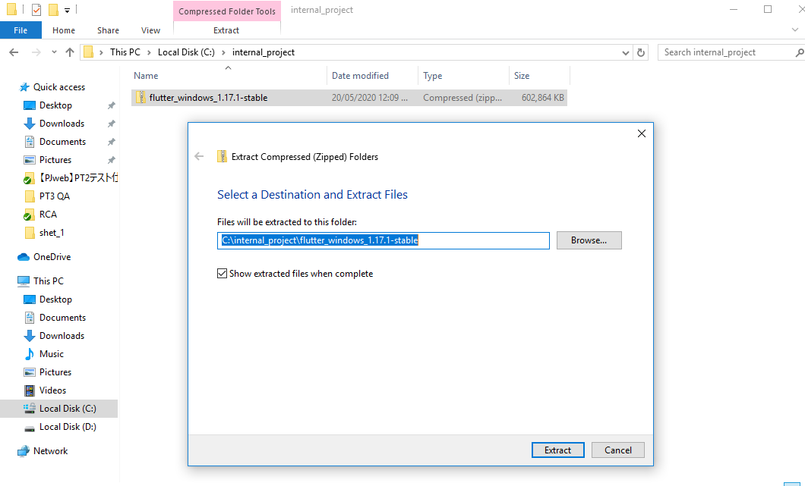

Update your path

1 | From the Start search bar, enter ‘env’ and select Edit environment variables for your account.

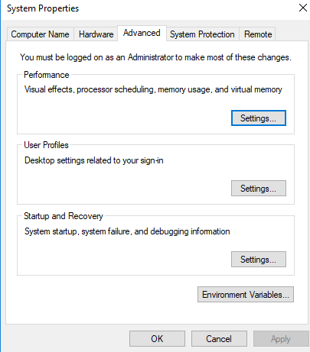

On Start Menu, type 'env' and press enter

2 | Under User variables check if there is an entry called Path:
 | - | If the entry exists, append the full path to flutter\bin using ; as a separator from existing values.
 | - | If the entry doesn’t exist, create a new user variable named Path with the full path to flutter\bin as its value

Android Studio
 | Install Android Studio

 | 1 | Download and install Android Studio.
 |  | https://developer.android.com/studio

 | 2 | Start Android Studio, and go through the ‘Android Studio Setup Wizard’. This installs the latest Android SDK,
 |  | Android SDK Command-line Tools, and Android SDK Build-Tools, which are required by Flutter when developing for Android.
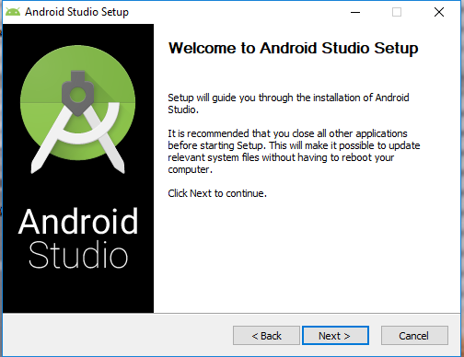
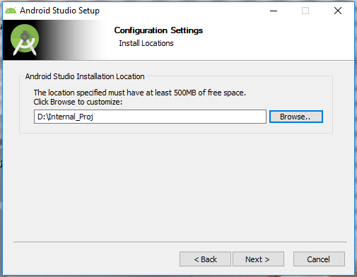
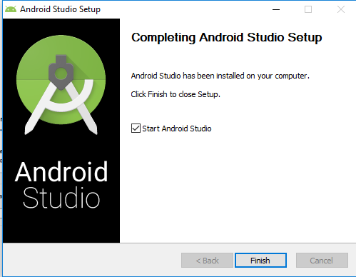

 | 3 | Run Android Studio to download latest Android SDK( Select Recommended Installation)
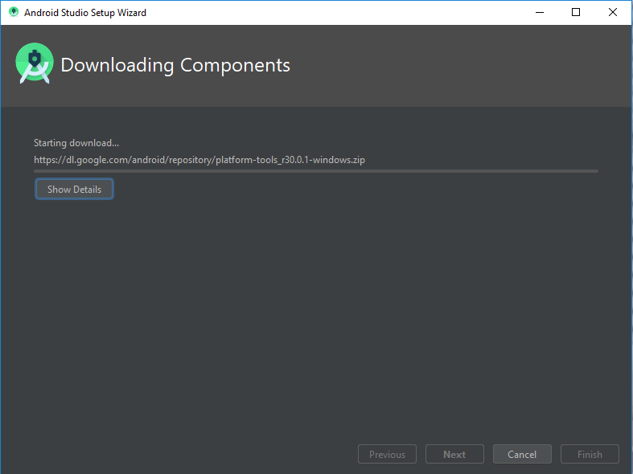

4 |  | After Installation, Open plugin preferences (File > Settings > Plugins).
 |  | Select Marketplace, select the Flutter and click Install. Restart Android Studio
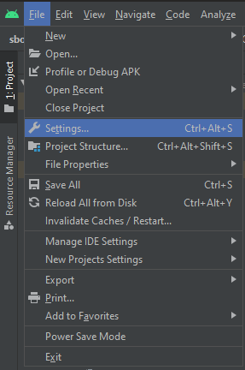
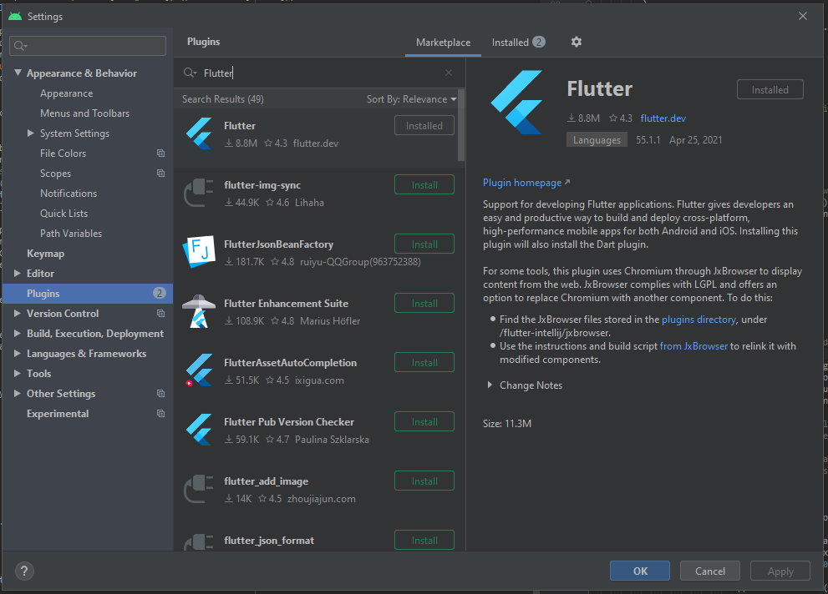

5 |  | Set SDK Path for Dart and Flutter (File>Settings>Language & Frameworks)

VS Code
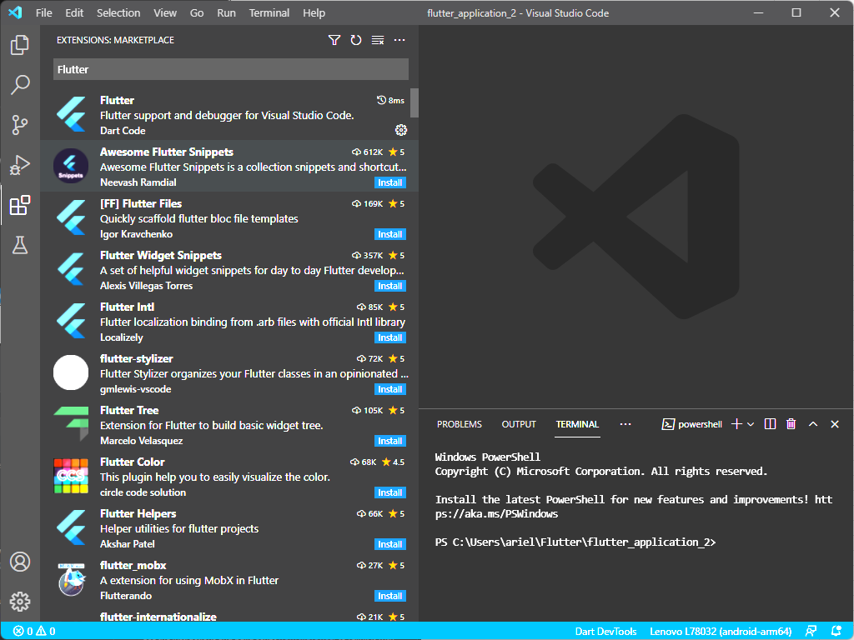
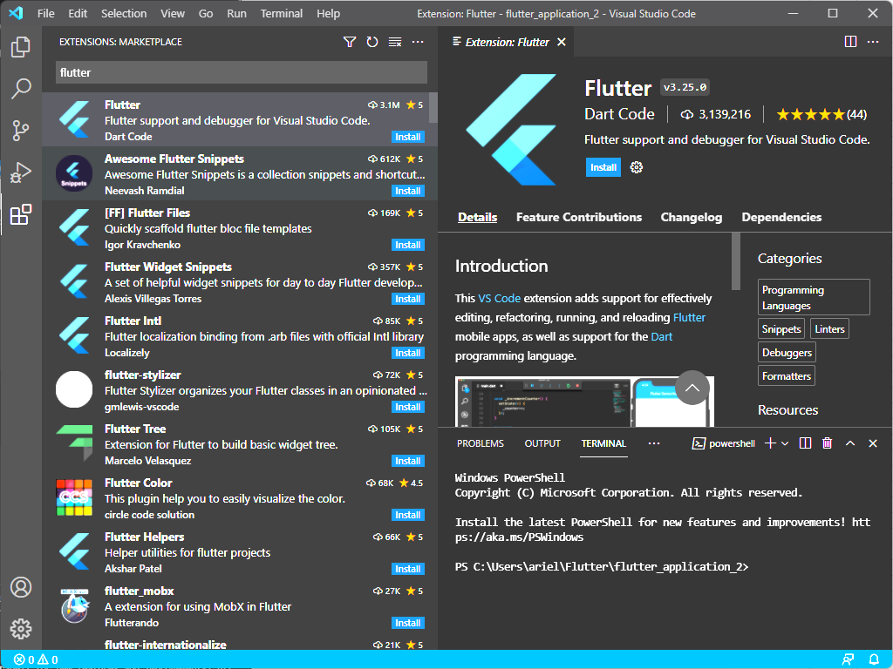
 | Install Android Studio

 | 1 | Download and install VS Code
 |  | https://code.visualstudio.com/download

 | 2 | Start VS Code installation: Default configuration
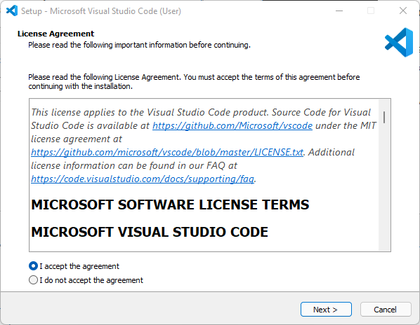
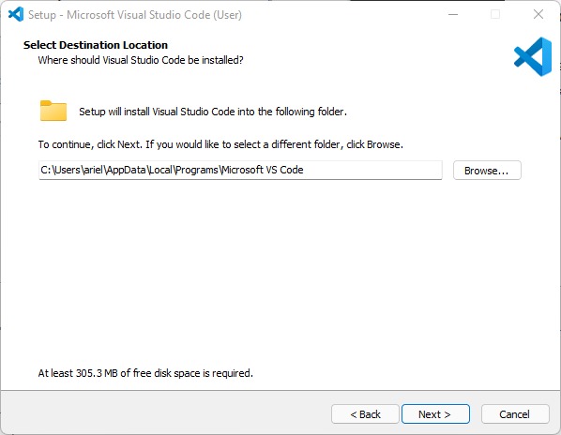
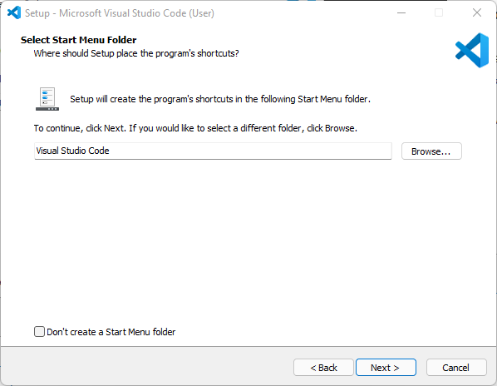

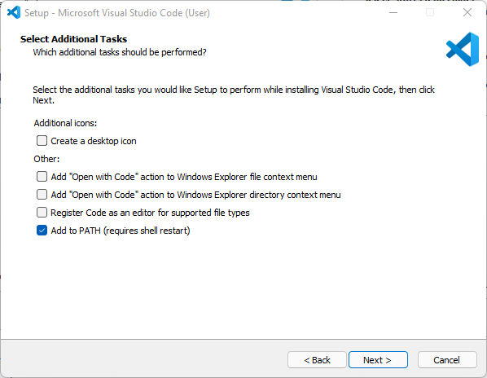
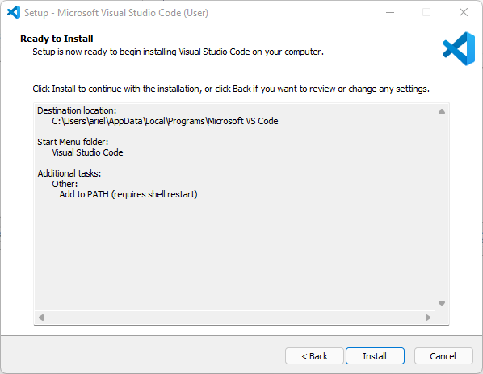
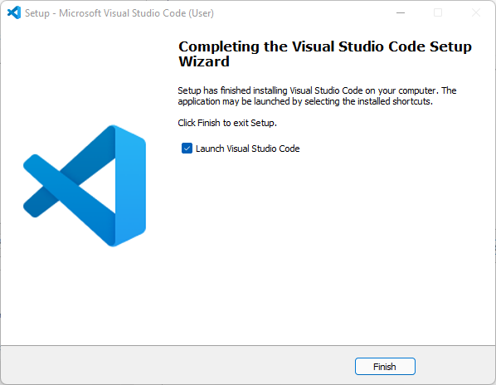

 | 3 | Run VS Code and Go to Extensions

4 |  | Look for Flutter and Dart plugins and install. Reload/Restart IDE

